ITP
 |  |  |  |  Inspection and Test Plan Te Ara o Te Ata Earthworks Cut 10 ITP # MMA-QA-ITP-Z03-EW-CU011

Rev Number | This ITP has been prepared by |  |  | Reviewed by Quality Manager |  |  | Reviewed by DSR |  |  | Approved by Construction Manager
 | Name | Signature | Date | Name | Signature | Date | Name | Signature | Date | Name |  | Signature |  | Date
Rev 01 | Sarah Doyle |  | 2024-04-05 | Ramy Faragalla | R Faragalla | 2024-04-15 | Danny Beasant | D. Beasant | 2024-04-16 | Hardus Pieters |  |  |  | 17.04.2024
Rev 02
Rev 03
Rev 04
ITP NO: CONQA # |  |  | Project: Te Ara o Te Ata
Verification Method: Hold [H] – work will not proceed past Hold Point until released by organisation imposing hold; Inspection [I] – formal inspection activity to be undertaken and recorded; ensure correct verifying records are in place; Witness [W] – an inspection that may be witnessed by organisation imposing hold; allow reasonable notification period; Review [R] – review of reports, records or other evidence of compliance. |  |  |  |  |  |  |  | Responsibilities PE = MTM Alliance Construction TWD = Temporary Design Team
Activity/Specification: Earthworks Cut 11
Item Number | Titles | Description |  | Specifications and Standards |  | Acceptance criteria and testing |  |  | Method (H,I,W,R) |  |  |  | Verifying Records Checklists, Test and Supplier Certificates
 |  |  |  |  |  |  |  |  | Responsible [tick]
 |  |  |  |  |  | Method/ Description | Test frequency | Conformance Criteria | Contractor | Designer | Client | Lab
1.0 Pre-Construction
1.01 | Approved CWP | CWP |  |  |  | Document Review | Prior to personal starting | Ensure all crew members are briefed on the CWP | H | H |  |  | signed off CWP
1.02 | IFC issued | Design |  | Consent conditions |  | Document Review | Prior to starting | Ensure all drawings are approved and of the latest revision, or written approval from PAB | H | H |  |  | IFC drawings or written approval from PAB
1.03 | Approved SCWMP | SCWMP |  | Consent conditions |  | Document Review | Once prior to works commencing | TRC review and approval | H |  |  |  | Approved SCWMP
1.04 | Investigation testing (Pre-construction) | As a minimum requirement, one investigation test must be conducted within each cut area before construction begins to verify the design parameters for Ground nails, drape anchors and rock bolts. |  | MMA-DES-GEO-E1-SPC-32693 Clause 7.2.2 MMA-DES-GEO-E1-SPC-9349 Clause 5.9.2 |  | Test | Pre-construction |  | H | H |  |  | Test results
2.0 Material Compliance
2.01 | Order of anchors / rock bolts, including grout and headworks components | Approval of the Designer following successful results from investigation testing, and provision of acceptable quality assurance documentation. Rock bolts for use with mesh and spike plates for permanent rockfall protection measures at the tunnel portal cuttings, shall have the following minimum characteristics: Single corrosion protection shall be provided to all rock bolt components in accordance with NZ Bridge Manual, Class II requirements for anchors and soil nails. Corrosion protection shall conform to AS/NZS 4680:2006 and provide a minimum design life of 100 years. |  | MMA-DES-GEO-E1-SPC-9349 Clause 4.3 Table 1 |  | Approval | Prior to commencing | Material Approval | H | H |  |  | Material Approval
2.02 | Headworks | The nail plates, washers and locking nuts shall be compatible with the selected nail type and as recommended by the Manufacturer to ensure at least 100-year design life. Nail plates are to comprise of 350x350x20mm galvanised plate complete with punched hole large enough to accommodate the 32mm nail and nut for various design angles. The plate shall have a minimum yield strength of 275N/mm2 . |  | MMA-DES-GEO-E1-SPC-32693 Clause 5.2 |  | Submit | Prior to commencing | Material Approval | H | H |  |  | Material Approval
2.03 | Grout | The grout for soil nails shall comprise a neat cement grout, consisting of a pumpable mixture of fresh Portland Cement complying with NZS 3122, water and additives accepted by the Designer. The proportions of cement, water and additives shall conform to NZS 3109 to produce a cement-rich grout having a standard-cured compressive strength of not less than 20 MPa at 7 days and 30 MPa at 28 days when tested in accordance with NZS 3112. . |  | MMA-DES-GEO-E1-SPC-32693 Clause 5.5 |  | Submit | Prior to commencing | Material Approval | H | H |  |  | Material Approval
2.04 | Drapery Mesh | high-tensile steel wire to be used in manufacture of the mesh |  | MMA-DES-GEO-E1-SPC-9349 Clause 5.1 |  | Submit | Prior to commencing | 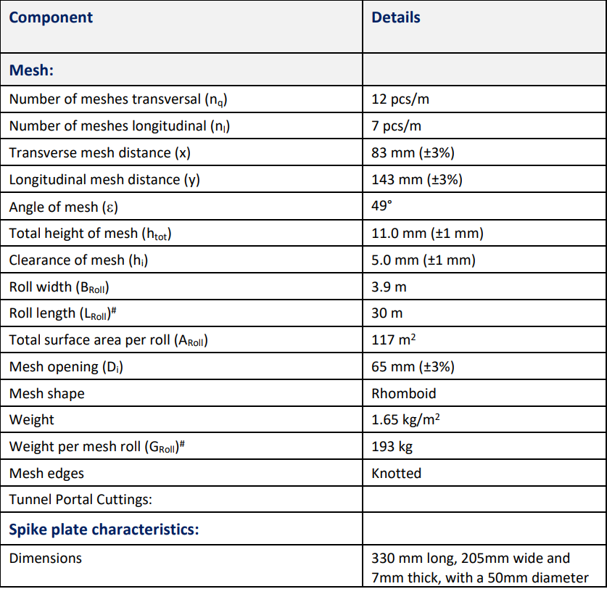 | H | H |  |  | Material Approval
2.05 | Steel Wire Ropes | All Steel Wire Ropes should be high-tensile steel wire ropes with grade 1770 N/mm2 |  | MMA-DES-GEO-E1-SPC-9349 Clause 5.2 |  | Submit | Prior to commencing | 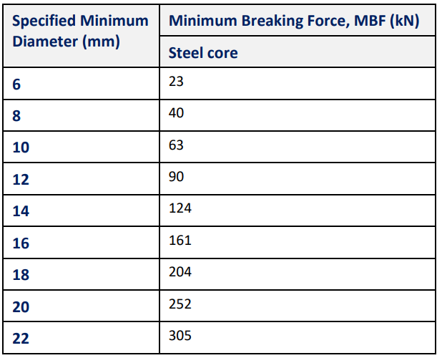 | H | H |  |  | Material Approval
2.06 | Wire Rope Fittings | All fittings required for the rockfall drapery system wire ropes, including heavy duty shackles, wire rope clips and thimbles (if used) shall be galvanised and compatible in terms of size, strength and corrosion protection, as all remaining rockfall drapery system components. Wire rope clips shall be lubricated and torqued in accordance with supplier requirements. |  | MMA-DES-GEO-E1-SPC-9349 Clause 5.3 |  | Submit | Prior to commencing | Designer approval Receipt of all required Quality Assurance and Verification Testing documentation from the manufacturer(s) / supplier(s), including assessment of corrosion protection applicability. | H | H |  |  | Material Approval
2.07 | Delivery of all rock drapery system components | Inspection of all components and accompanying QA documentation following delivery and storage on site. |  | MMA-DES-GEO-E1-SPC-9349 Clause 5.3 |  | Visual | each delivery | check all materials delivered to Site collect dockets for each delivery | H |  |  |  | Dockets, Test Certificates, Material Inspection Checklist
3.0 During Construction
3.01 | Set out extents | Set out extents of cut and check against design |  | IFC drawings |  | Survey/visual | Prior to Commencement | Consistent with latest IFC drawings and marked out within specification tolerances | H |  |  |  | Earthworks Cut Checklist, DSR reports
3.02 | Verify Machine Control | Ensure GPS plant have the correct model set up in machine and that a datum is available for checking |  | IFC drawings |  | Survey/visual | Daily | Consistency with datums | W |  |  |  | Plant Pre Starts
3.03 | Assess Crest detail | Confirm stabilisation requirements |  | IFC drawings |  | Hand augers/ slope assess/Window Samples | Prior to Excavation | Consistency with latest IFC Construction Drawings | H | H |  |  | Earthworks Cut Checklist, DSR reports
3.04 | Install crest detail - Soil Nailing | Soil Nailing |  | IFC drawings Ground Nail Manufacture Specification |  | Visual Inspection | Prior to cutting rock slope | Designer to confirm extents of soil nailing | H | H |  |  | Sub Contractor QA Records, Ground Nail Check List
3.05 | Install crest detail - Erosion Matting | Erosion Matting |  | IFC drawings |  | Visual Inspection | Prior to cutting rock slope | Designer to confirm extents of erosion matting | H | W |  |  | Sub Contractor QA Records, Ground Nail Check List
3.06 | Install Rock Fall Protection | Rock fall fence |  | IFC drawings and Manufacturers Specifications |  | Visual Inspection | Prior to cutting rock slope | Designer to confirm extents of rock fall fence | H | H |  |  | Ground Nail Check List
3.07 | Cut Face inspection - Cut Face inspection | Cut Face inspection |  | MMA-DES-GEO-E1-SPC-3859 And latest IFC drawings |  | Survey check by construction team, visual inspection by designer. | 100m2 or maximum 5m vertical cut | Surveyor to confirm cut slope profile is within specification tolerances. | H |  |  |  | Earthworks Cut Checklist, Survey record, As-built
3.08 | Cut Face inspection - Cut face material verification - Geo mapping | Cut face material verification - Geo mapping |  | MMA-DES-GEO-E1-SPC-3859 And latest IFC drawings |  | Geo inspection and face mapping | At soil-rock interface, each Each 100m2 or maximum 5m vertical cut | Designer to confirm ground conditions are in accordance with design. If not confirm remedial works required. | H | H |  |  | Earthworks Cut Checklist, DSR reports, Face map from geotechnical engineer/geologist
3.09 | Install Rock Drape - Set out drape anchorages | Set out drape anchorages |  | MMA-DES-GEO-E1-SPC-9349 And latest IFC drawings |  | Geo walk over | Prior to drilling | All cuts greater than 20m in height, where detailed on latest IFC drawings or as instructed by Geotechnical Engineer / Geologist | H | I |  |  | Sub Contractor QA Records, Rock Drape Checklist
3.10 | Install Rock Drape - Install anchors | Install drape anchorages |  | MMA-DES-GEO-E1-SPC-9349 And latest IFC drawings |  | Drill and grout records. Stressing records. | During construction and at end | Signed completed Rock Drape Checklist | H | I |  |  | Sub Contractor QA Records, Calibration certificates for stressing equipment, Rock Drape Checklist
3.11 | Install Rock Bolts | Install Rock Bolts |  | MMA-DES-GEO-E1-SPC-9349 And latest IFC drawings |  | Drill and grout records. Stressing records. | During construction and at end | Signed completed Active Mesh Checklist | H | I |  |  | Sub Contractor QA Records, Calibration certificates for stressing equipment, Active Mesh Checklist
3.12 | Install Rock Drape - Install Drapes/Active Mesh | Install Drapes |  | MMA-DES-GEO-E1-SPC-9349 And latest IFC drawings |  | Visual inspection | During construction and at end | Geobrugg TECCO Product manual | H | H |  |  | Sub Contractor QA Records, Rock Drape Checklist, Active Mesh Checklist
3.13 | Production nail acceptance tests | At least 3% of the production ground nails installed shall be acceptance tested. The Contractor shall propose ground nails to test at each site, for the Designers approval. The locations shall be spread along the alignment with satisfactory spatial density on the ground nail installation area. |  | MMA-DES-GEO-E1-SPC-32693 Clause 7.3 |  | Test | At Completion | Designer to confirm approval | H | W |  |  | Test results
3.14 | Production drape anchorage and Rock Bolts tests (acceptance tests) | Acceptance testing will be undertaken on 20% of production anchorages installed (drape and rock bolts) across all cut sites. Test anchorage positions will be agreed between the Constructor and the Designer. |  | MMA-DES-GEO-E1-SPC-9349 Clause 5.9.3 |  | Test | At Completion | Designer to confirm approval | H | W |  |  | Test results
3.15 | Catch Ditch Inspection | Construction of catch ditch |  | MMA-DES-GEO-E1-SPC-3859 And latest IFC drawings |  | Visual inspection | During construction and at end | Catch ditch to be consistent with IFC drawings | W | I |  |  | Earthworks Cut Checklist
4.0 Post Construction
4.01 | Throughout construction period prior to road opening | Ongoing monitoring of condition of the rock drapery system post installation, including recording of failures / removal of debris and performance of the rock drape and unprotected sections of cuttings. If required, repairs and/or adjustments made; i.e. bottom rope tension, extent of cutting coverage etc. Scaling of identified loose surface material. Monitored anchorages should be distributed evenly throughout the cuttings along the road alignment. |  | MMA-DES-GEO-E1-SPC-9349 Clause 4.3 Table 1 & Clause 5.9.4 |  | Monitor | At least once during construction, A minimum of 5% of the rockfall drapery system anchors shall be monitored throughout the construction period prior to road opening | Designer to confirm anchorage performance is satisfactory | H | H |  |  | Monitoring report, photographic
4.02 | Red Line Mark Up Drawings | As-built drawings to capture any deviation from the IFC drawings. |  | MMA-DES-GEO-E1-SPC-9349 Clause 4.3 Table 1 |  | Submit | At Completion |  | H | R |  |  | Red Line Mark Up Drawings
4.03 | Operation and maintenance report | Operation and maintenance report to detail the maintenance frequency and maintenance procedures. |  | MMA-DES-GEO-E1-SPC-9349 Clause 4.3 Table 1 |  | Submit | At Completion |  | H | R | R |  | operation and maintenance report
4.04 | Final Handover Package | Collation of all QA, as-built drawings, testing and monitoring documentation and Condition Survey of rockfall drapery system and cutting faces. Provision of asset management operation and maintenance report to NZTA, including Producer Statements. |  | MMA-DES-GEO-E1-SPC-9349 Clause 4.3 Table 1 |  | Submit | At Completion |  | H | R | R |  | As-built drawings, testing results, monitoring documentation, operation and maintenance report, Producer Statements

